Week at a Glance + Logistics
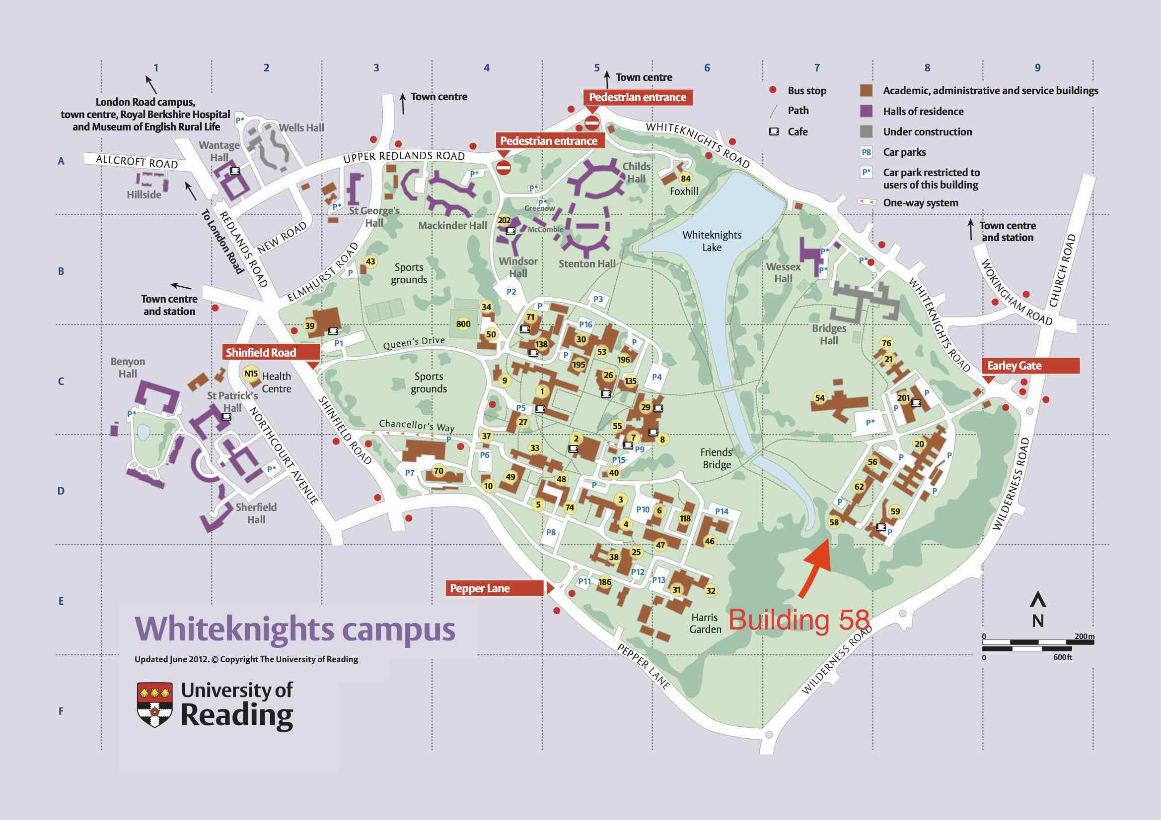
Week at a Glance
Wednesday 7th | AM: Introduction, Baseline strategy
 | PM: UK Session
Thursday 8th | AM: R&D, Space Data Services
 | PM: Colombia
Friday 9th | Conclusions, Actions, Next Seps

Logistics and Social
Thursday PM | TBC
Campus Map

