Week at a Glance + Logistics
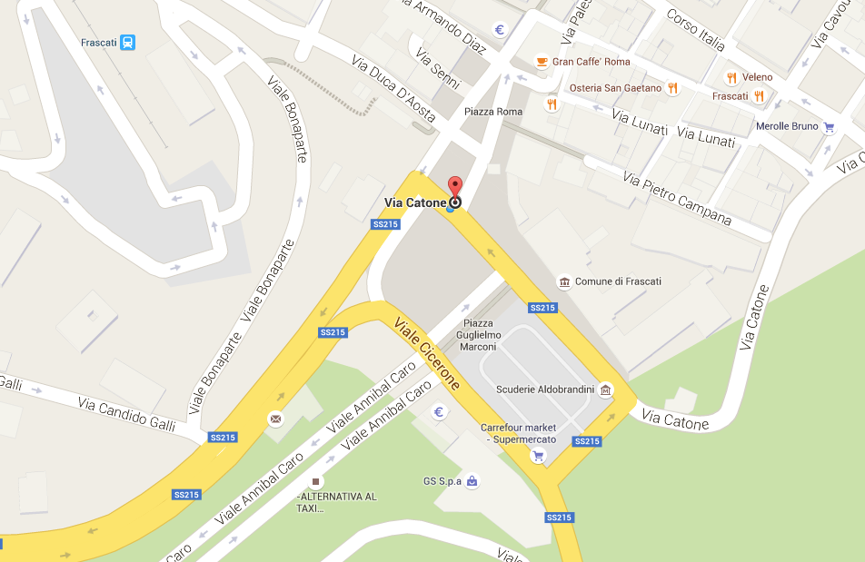
Week at a Glance
Monday 22nd | AM: 10:30 - 12 noon - SDCG EXEC PM: SDCG-LSI-VC Joint Meeting
Tuesday 23rd | GFOI Open Forum
Wednesday 24th | GFOI Open Forum
Thursday 25th | SDCG-9 sessions with other GFOI Open Forum participants
Friday 26th | SDCG-9 sessions, conclusion and SDCG EXEC meeting

Logistics and Social
Monday PM | Ice Breaker reception at ESRIN immediately following close of business, 17:30 - 18:30
Tuesday PM | No-host GFOI dinner at 20:00, Ara Anua Frascati (30 EUR)
Thursday PM | No-host SDCG dinner at time and location TBA
Bus Information - departing from Piazza di Roma in Frascati (see sign Via Catone)
Monday | 08:15 to ESRIN 18:45 to Frascati (following social)
Tuesday | 08:30 to ESRIN 17:30 to Frascati
Wednesday | 08:30 to ESRIN 17:30 to Frascati
Thursday | 08:30 to ESRIN 18:00 to Frascati
Friday | 08:30 to ESRIN No return to Frascati

